Sheet1
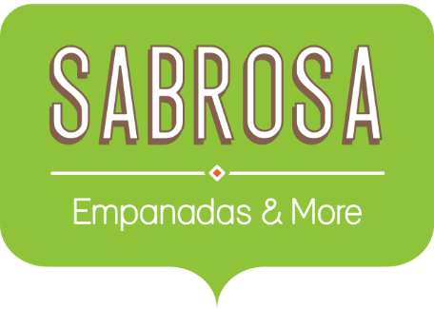 | Budget, Paper and Plastic Supplies Sabrosa Empanadas & More 1202 Biscayne Bay Drive Orlando, FL 32804
PAPER and PLASTIC SUPPLY ORDERS
ITEM | PRICE PER UNIT | QUANTITY | LINE TOTAL
Plastic Silverware (box of 100) | $8.75 | 15
Napkins (box of 250) | $2.59 | 18
Plates (box of 50) | $14.25 | 9
Plastic Cups (box of 100) | $2.99 | 12
 |  | TOTAL

